Sheet1
PERFORMANCE CHART AT N~2850 r/min
 | SS-150 | SS-180 | SS-250 | SS-450 | SS-750 | SS-1100 | SS-1500 | SS-2200 | SS-3000
0 | 6 | 7 | 8.5 | 12 | 14 | 15 | 16 | 19 | 22
6 | 1.6 | 3.9 | 5.4 | 10.7 | 13.1 | 14.4 | 15.7 | 18.8 | 21.8
9 |  |  | 1.6 | 9 | 12 | 13.7 | 15.3 | 18.5 | 21.5
12 |  |  |  | 6.7 | 10.5 | 12.6 | 14.7 | 18.1 | 21.1
18 |  |  |  | 0 | 6.1 | 9.6 | 13.1 | 16.9 | 20
24 |  |  |  |  | 0 | 5.4 | 10.8 | 15.2 | 18.5
30 |  |  |  |  |  | 0 | 7.8 | 13.1 | 16.5
34 |  |  |  |  |  |  | 5.5 | 11.5 | 14.9
42 |  |  |  |  |  |  | 0 | 7.5 | 11.2
48 |  |  |  |  |  |  |  | 4 | 7.9
54 |  |  |  |  |  |  |  | 0 | 4.2
60 |  |  |  |  |  |  |  |  | 0
SUBMERSIBLE SEWAGE PUMP
SS
Applications
Sewage treatment plants Industrial draining Agriculture irrigation
Operating conditions
Maximum fluid temperature up to +50°C
Motor and Pump
Rewindable motor Single-phase:220 - 240V/50Hz Three-phase: 380 - 415V/50HZ It's available to equip with floating switch It's can work in water containing fiber Curve tolerance according to ISO 9906
Options in request
Special mechanical seal Other voltages or frequency 50Hz
Warranty: 1 years
(according to our general sales conditions)
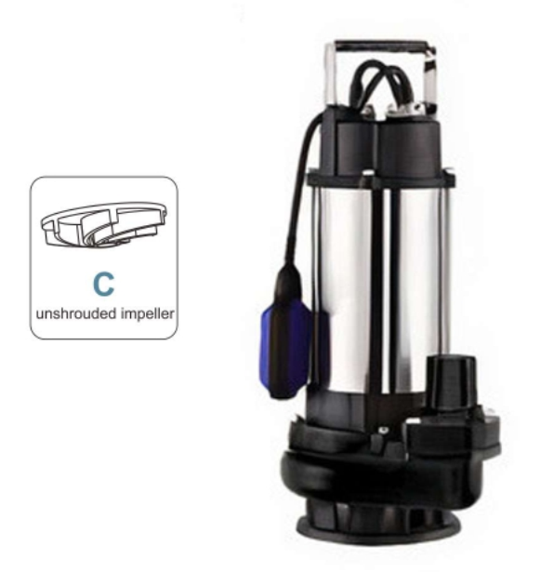
Components |  | Material
Motor external casing |  | Cast iron G20
Mechanical seal |  | Graphite-Ceramic
Shaft |  | AISI 304 SS-ASTM 5140
Seal lubricant oil |  | Oil for food machinery.

MODEL |  | P₂ |  | DELIVERY N~2850 RPM
1 Phase 220-240V | 3 Phase 380 - 420V | kW | HP | Q | l/min | 0 | 100 | 150 | 200 | 300 | 400 | 500 | 566.66666667 | 700 | 800 | 900 | 1000
 |  |  |  |  | m³/h | 0 | 6 | 9 | 12 | 18 | 24 | 30 | 34 | 42 | 48 | 54 | 60
SSM-150F | SS-150 | 0.15 | 0.2 | H(m) |  | 6 | 1.6
SSM-180F | SS-180 | 0.18 | 0.25 |  |  | 7 | 3.9
SSM-250F | SS-250 | 0.25 | 0.33 |  |  | 8.5 | 5.4 | 1.6
SSM-450F | SS-450 | 0.55 | 0.8 |  |  | 12 | 10.7 | 9 | 6.7 | 0
SSM-750F | SS-750 | 0.75 | 1 |  |  | 14 | 13.1 | 12 | 10.5 | 6.1 | 0
SSM-1100F | SS-1100 | 1.1 | 1.5 |  |  | 15 | 14.4 | 13.7 | 12.6 | 9.6 | 5.4 | 0
SSM-1500F | SS-1500 | 1.5 | 2 |  |  | 16 | 15.7 | 15.3 | 14.7 | 13.1 | 10.8 | 7.8 | 5.5 | 0
SSM-2200F | SS-2200 | 2.2 | 3 |  |  | 19 | 18.8 | 18.5 | 18.1 | 16.9 | 15.2 | 13.1 | 11.5 | 7.5 | 4 | 0
 | SS-3000 | 3 | 4 |  |  | 22 | 21.8 | 21.5 | 21.1 | 20 | 18.5 | 16.5 | 14.9 | 11.2 | 7.9 | 4.2 | 0

